Sheet1
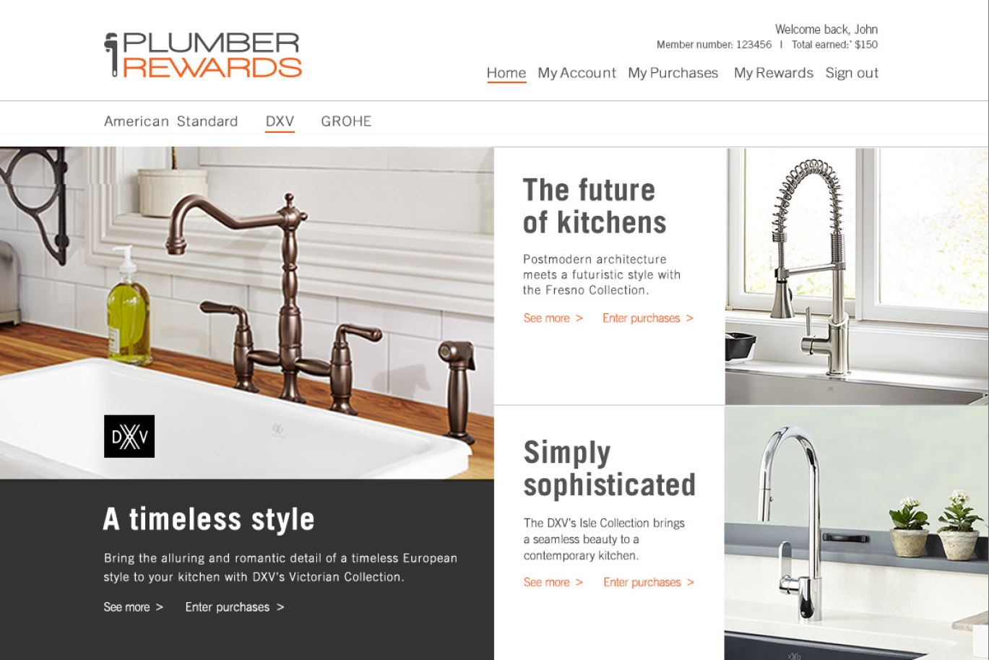
American Standard: |  |  |  | Headline |  | Body Copy | CTA | Link
Main Banner |  |  |  | Headline (40 Characters) |  | Body Copy: 180 Characters | CTA | Link
Top Banner |  |  |  | Headline (25 Characters) |  | Body Copy: 140 Characters | CTA | Link
Lower Banner |  |  |  | Headline (25 Characters) |  | Body Copy: 140 Characters | CTA | Link

Top Banner
DXV: |  |  |  | Headline |  | Body Copy | CTA | Link
Main Banner |  |  |  | Headline (40 Characters) |  | Body Copy: 180 Characters | CTA | Link
Top Banner |  |  |  | Headline (25 Characters) |  | Body Copy: 140 Characters | CTA | Link
Lower Banner |  |  |  | Headline (25 Characters) |  | Body Copy: 140 Characters | CTA | Link

Main Banner
Lower Banner
GROHE |  |  |  | Headline |  | Body Copy | CTA | Link
Main Banner |  |  |  | Headline (40 Characters) |  | Body Copy: 180 Characters | CTA | Link
Top Banner |  |  |  | Headline (25 Characters) |  | Body Copy: 140 Characters | CTA | Link
Lower Banner |  |  |  | Headline (25 Characters) |  | Body Copy: 140 Characters | CTA | Link

American Standard: March 2020 |  | Product | Word Count | Headline | Word Count | Body Copy | CTA | Link | NOTE
Main Banner | update | Pekoe Stainless Steel Farmhouse Sink | 36 | Refined with a touch of rustic charm | 179 | The handcrafted Pekoe 33-inch Stainless Steel Farmhouse Sink and features a 33-inch, 18-gauge stainless steel apron with a large single bowl and channel grooves for easy draining. | Learn more > | https://www.americanstandard-us.com/kitchens/kitchen-sinks/pekoe-33x22-inch-stainless-steel-apron-sink-33067?variant=stainless-steel
Right Banner | update | new Learn & Ern | 16 | New Learn & Earn | 109 | Earn more points by taking the newest Learn & Earn about the latest expansion of the Town Square Collection. | Start now > | https://myenjoyrewards.com/member/results.cfm?surveyid=63
Lower Banner | update | tier reset | 19 | New year. New tier. | 132 | Tier resets are coming. Your tier will reset on 4/1/20 based on sales from 4/1/19 - 3/31/20. Be sure to enter your sales by 3/31/20. | Download details > | https://myenjoyrewards.com/member/
DXV: March 2020 |  |  |  | Headline |  | Body Copy | CTA | Link
Main Banner | update | Equility Signle Handle Bath Faucet | 38 | Pure forms with geometry and precision | 175 | The Equility Single Handle Bathroom Faucet in polished chrome features a ceramic disc valve cartridge and a 3/8’ inch compressing braided stainless-steel flexible supply hose. | Learn more > | https://www.dxv.com/product/equility-single-handle-bathroom-faucet-by-dxv
Right Banner | update | tier reset | 19 | New year. New tier. | 132 | Tier resets are coming. Your tier will reset on 4/1/20 based on sales from 4/1/19 - 3/31/20. Be sure to enter your sales by 3/31/20. | Download details > | https://myenjoyrewards.com/member/results.cfm?surveyid=63
Lower Banner | update | new survey(s) | 33 | New survey: Customer experience. | 115 | Our latest survey on customer experience is up. Your opinion is valuable. Earn $5 worth of points by completing it. | Start survey > | https://myenjoyrewards.com/member/

GROHE: March 2020 |  |  |  | Headline |  | Body Copy | CTA | Link
Main Banner | update | GROHE Plus 8″ Widespread | 17 | Stunningly simple and sleek | 168 | The Plus 8″ Widespread Two-Handle Bathroom Faucet L-Size in StarLight chrome features the AquaGuide adjustable flow control and the QuickFix rapid installation system. | Learn more > | https://www.grohe.us/en_us/8-widespread-two-handle-bathroom-faucet-l-size-20302003.html
Right Banner | update | new Learn & Earn | 33 | New Learn & Earns | 94 | Brand new Learn & Earns are now available to take. Earn more points for each one you complete. | Start now > | https://myenjoyrewards.com/member/results.cfm?surveyid=63
Lower Banner | update | tier reset | 19 | New year. New tier. | 132 | Tier resets are coming. Your tier will reset on 4/1/20 based on sales from 4/1/19 - 3/31/20. Be sure to enter your sales by 3/31/20. | Download details > | https://myenjoyrewards.com/member/

